Sheet1
Welcome to TeamLab Spreadsheet Editor

Create spreadsheets or load any Excel files to edit them right on your TeamLab portal.

PC Components ordered
Item | Description | Average price ($) | Customer | Quantity
CPU | model 000-000-000 | 99 | David Connor | 3
Hard disc drive | model 000-000-000 | 110 | David Connor | 3
Motherboard | model 000-000-000 | 153 | David Connor | 3
Sound card | model 000-000-000 | 70 | Anna Suarez | 2
Video card | model 000-000-000 | 35 | ABC Family Insurance | 4

Edit your spreadsheet inserting or removing cells, rows and columns, merging cells, adding borders.

Copy and paste data within cells, format the entered text, change the number format, apply the table templates.
Average price vs Selling price
Use functions to perform calculations automatically. Sort and filter your data.

Represent your data graphically using diagrams. Insert images and hyperlinks.

Weekly income
ID | Item | Description | Customer | Quantity | Average price ($) | Selling price ($) | Amount ($)
1 | CPU | model 000-000-000 | David Connor | 3 | 99 | 172 | 516
2 | Hard disc drive | model 000-000-000 | David Connor | 3 | 110 | 65.1 | 195.3
3 | Motherboard | model 000-000-000 | David Connor | 3 | 153 | 154.5 | 463.5
Total: |  |  |  |  |  |  | 1704.52

Save, print or download your spreadsheet as an .xls, .xlsx, .ods, .csv or .html file.

Share your spreadsheet with colleagues, make it public or embed it into your website.

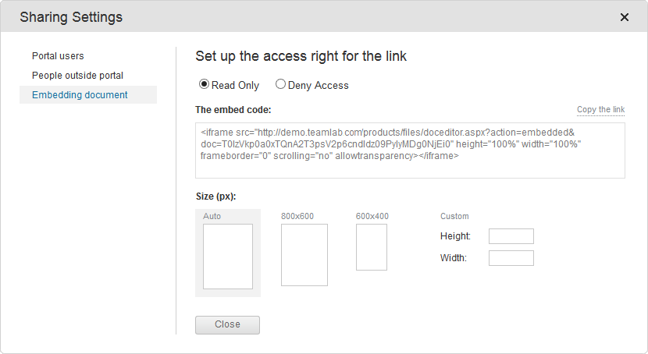
 |  |  | To learn more, visit our Help Center

